Sheet1
Boulder County Public Health COVID-19 SOCIAL DISTANCING CALCULATOR
Updated 6.8.2020
IMPORTANT NOTICE: This calculator is provided to assist you in planning social distancing for your employees and customers. However, the results given by this calculator do not relieve you of your obligation to follow all applicable Public Health Orders as they apply to your space. The configuration of any given space (aisles, racks, etc.) may result in a lower actual capacity limit. It is up to each business to ensure compliance with all portions of current orders. You may find information about more specific business sector requirements using the links below. In order to maintain at least 6 feet of separation from each other when taking into account the unpredictable dynamics of each person's movement, this calculator uses a 12 foot grid distribution.

6 ft. Grid Can't Pass and Maintain Distance | 12 ft. Grid Can Pass and Maintain Distance
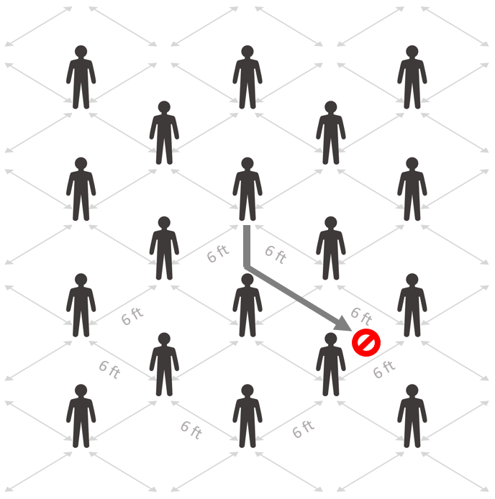
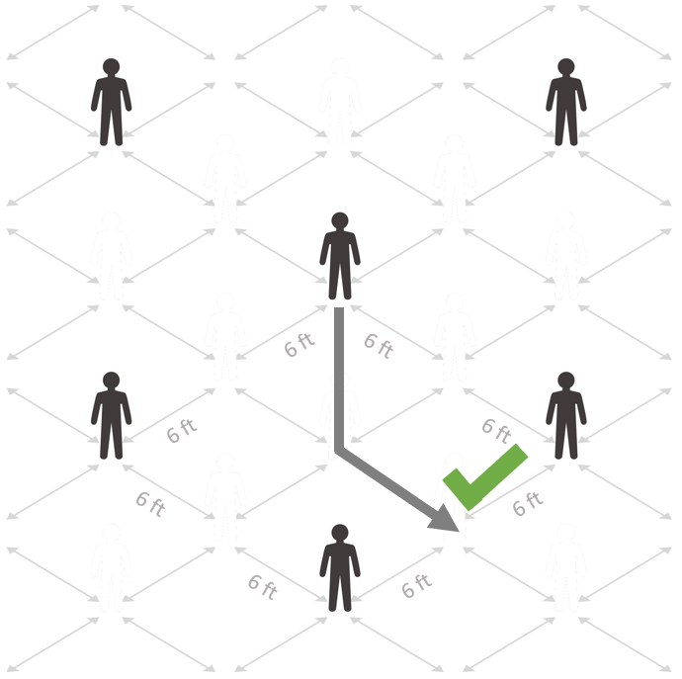

Enter the total square footage of the space* |  |  | sq. ft.
Estimate the percent of floor space occupied by items such as furniture, equipment, displays, etc. |  |  | %
Maximum number of people that the space can accommodate with adequate 6 feet social distancing.** For offices, personal services, restaurants (indoors), and retail, the lower of this figure and 50% capacity applies. |  | 0

*Due to the varying nature of use and shared facilities, each space within a building may need to be analyzed individually. Proprietors of shared spaces should account together for common areas within a larger area, including, but not limited to, entrances/exits and plan in partnership with others, to ensure all social distancing requirements can be met and maintained for staff and the public interacting within the shared space. **Any codes, regulations, or ordinances requiring a smaller number of people must be followed. Use the links below to find space specifics and other requirements & recommendations per business sector.

Check Here For More Information On Space Requirements Per Business Sector Within The State's Safer At Home Orders
Check Here For More Information On Requirements Pertaining To Local Orders

Additional Safer At Home Order guidelines for social distancing at your facility
All Businesses
Campgrounds
Child Care Facilities
Children's Day Camps & Youth Sports Camps
Education (P-12)
Education (Higher)
Field Services & Real Estate
Limited Health Care Settings
Manufacturing (Non-Critical)
Nursing Homes & Congregate Care Facilities
Office-based businesses
Personal Services
Places of Worship
Recreation (Outdoor)
Recreation (Personal)
Restaurants & Food Services
Retail

Boulder County Public Health greatly appreciates the efforts that your business is taking to protect the economy and health of our residents!

